Round1&2&3&4
 | Ionizable_Lipid_1 | IL1_Mol_Percent | Ionizable_Lipid_2 | IL2_Mol_Percent | Phospholipid | Phospholipid_Mol_Percent | Cholesterol_Mol_Percent | PEG类型 | PEG_Mol_Percent | Total_Ionizable_Lipid_Mol_Ratio | Particle_Size (nm) | PDI | Zeta_Potential (mV) | pKa | DC_Cell_Transfection_Efficiency | 全部取log | 计算标准LNP的过程 | 校准后的log | Li-Min | Normalized for DC2.4 |  |  | HaCaT_Cell_Transfection_Efficiency | 全部取log | 计算标准LNP的过程 | 校准后的log | Li-Min | Normalized for HaCaT
1 | MC3 | 25 | DODAP | 25 | DOPE | 10 | 38.5 | DMG-PEG2000 | 1.5 | 50 | 144.5 | 0.1254 | -1.111 | 5.73 | 21613.333333 | 4.3347217515 |  | 4.4071512475 | 0.56005882892 | 0.17543300459 |  |  | 9713 | 3.9873533887 |  | 3.6913719212 | 0.51690557424 | 0.20394730647
2 | MC3 | 33 | ALC-0315 | 33 | DSPC | 30 | 0 | DMG-PEG2000 | 4 | 66 | 132.2 | 0.7 | -2.042 | 5.68 | 8090 | 3.9079485216 |  | 3.9803780176 | 0.13328559907 | 0.041750423183 |  |  | 13292.666667 | 4.1236121143 |  | 3.8276306467 | 0.65316429981 | 0.25770876978
3 | C12-200 | 29 | DOTAP | 29 | DSPC | 20 | 19.25 | DMG-PEG2000 | 2.75 | 58 | 146.5 | 0.2712 | 0.32 | 5.13 | 36993.333333 | 4.5681234658 |  | 4.6405529618 | 0.79346054322 | 0.24854383135 |  |  | 187966.66667 | 5.2740808399 |  | 4.9780993723 | 1.8036330254 | 0.71163112901
4 | MC3 | 25 | MC3 | 25 | DOPE | 10 | 38.5 | DMG-PEG2000 | 1.5 | 50 | 108.2 | 0.2867 | -11.08 | 5.78 | 31116.666667 | 4.4929930676 |  | 4.5654225636 | 0.71833014503 | 0.22500996168 |  |  | 21275.666667 | 4.3278831775 |  | 4.0319017099 | 0.85743536296 | 0.33830479195
5 | MC3 | 29 | SM102 | 29 | DOPE | 20 | 19.25 | DMG-PEG2000 | 2.75 | 58 | 117.8 | 0.2462 | -4.491 | 5.9 | 39526.666667 | 4.5968901913 | 0.072429495649 | 4.6693196873 | 0.82222726875 | 0.25755472955 |  |  | 39340 | 4.5948343556 |  | 4.298852888 | 1.1243865411 | 0.44363152173 |  |  | 3.2455022413
6 | ALC-0315 | 33 | ALC-0315 | 33 | DSPC | 30 | 0 | DMG-PEG2000 | 4 | 66 | 158.2 | 0.3327 | -6.038 | 6.38 | 8929.3333333 | 3.9508190355 | -1.4187768107 | 4.0232485315 | 0.17615611301 | 0.055179196517 | Max-Min= |  | 6062.6666667 | 3.7826636908 |  | 3.4866822233 | 0.31221587631 | 0.12318611016 |  |  | Max-Min
7 | SM102 | 25 | SM102 | 25 | DOPE | 10 | 38.5 | DMG-PEG2000 | 1.5 | 50 | 100.7 | 0.2058 | -3.449 | 5.95 | 106073.33333 | 5.0256062167 |  | 5.0980357127 | 1.2509432941 | 0.39184587285 | 3.1924370805 | 3.0967446536 | 17083.333333 | 4.232572615 |  | 3.9365911474 | 0.76212480051 | 0.30069960164 |  |  | 2.534505521
8 | DODAP | 33 | ALC-0315 | 33 | DOPE | 30 | 0 | DMG-PEG2000 | 4 | 66 | 89.74 | 0.2681 | -14 | 5.62 | 8769.3333333 | 3.9429665785 |  | 4.0153960745 | 0.16830365593 | 0.052719490381 | Min=3.84709241853782 |  | 6472 | 3.8110385086 |  | 3.515057041 | 0.3405906941 | 0.13438151596
9 | DOTAP | 25 | DOTAP | 25 | DOPE | 10 | 38.5 | DMG-PEG2000 | 1.5 | 50 | 87.38 | 0.2858 | -0.3176 | 5.94 | 22180 | 4.3459615418 | 1.4912063063 | 4.4183910378 | 0.57129861928 | 0.17895376008 |  |  | 47926.666667 | 4.6805772246 |  | 4.384595757 | 1.2101294101 | 0.47746173763 |  |  | 2.534505521
10 | MC3 | 33 | DOTAP | 33 | DSPC | 30 | 0 | DMG-PEG2000 | 4 | 66 | 194.2 | 0.7386 | -0.01869 | 5.56 | 18816.666667 | 4.2745426915 | R4-R1=-1.418776811(先把R4的加一个1.4….再加一个0.072.。。） | 4.3469721875 | 0.499879769 | 0.15658249684 | 3.1924370805 |  | 12934.666667 | 4.1117552412 |  | 3.8157737736 | 0.64130742669 | 0.25303058975
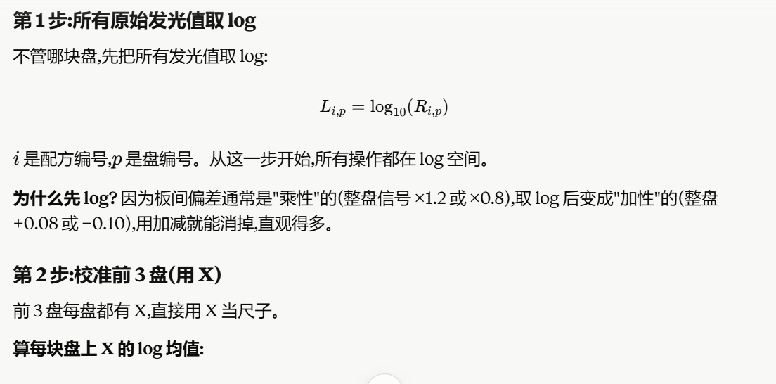
11 | DOTAP | 29 | DODAP | 29 | DSPC | 20 | 19.25 | DMG-PEG2000 | 2.75 | 58 | 94.87 | 0.3626 | -0.3115 | 5.53 | 17403.333333 | 4.2406324385 | -1.7357290597 | 4.3130619345 | 0.46596951595 | 0.14596043846 |  |  | 7769.6666667 | 3.8904023871 |  | 3.5944209196 | 0.41995457265 | 0.16569487388
12 | DOTAP | 29 | DOTAP | 29 | DOPE | 20 | 19.25 | DMG-PEG2000 | 2.75 | 58 | 89.87 | 0.2801 | 3.182 | 4.49 | 8514.3333333 | 3.9301506487 |  | 4.0025801447 | 0.15548772612 | 0.048705024477 |  |  | 13134.666667 | 4.1184190557 |  | 3.8224375881 | 0.64797124118 | 0.25565982627
13 | ALC-0315 | 29 | MC3 | 29 | DOPE | 20 | 19.25 | DMG-PEG2000 | 2.75 | 58 | 93.04 | 0.2326 | -7.733 | 6 | 39673.333333 | 4.5984986912 | -1.1018245617 | 4.6709281872 | 0.82383576867 | 0.25805857658 |  |  | 5127 | 3.7098633174 | 0.4717191569 | 3.4138818499 | 0.23941550294 | 0.094462411291
14 | MC3 | 29 | MC3 | 29 | DOPE | 20 | 19.25 | DMG-PEG2000 | 2.75 | 58 | 90.11 | 0.1857 | -16.94 | 6.15 | 22700 | 4.3560258572 | -1.4187768107 | 4.4284553532 | 0.58136293466 | 0.18210630941 |  |  | 8299 | 3.9190257646 |  | 3.623044297 | 0.44857795009 | 0.17698834995
15 | ALC-0315 | 29 | C12-200 | 29 | DOPE | 20 | 19.25 | DMG-PEG2000 | 2.75 | 58 | 132.2 | 0.1451 | -8.235 | 5.54 | 70016.666667 | 4.8452014312 |  | 4.9176309272 | 1.0705385086 | 0.33533582081 |  |  | 44053.333333 | 4.6439787753 |  | 4.3479973077 | 1.1735309608 | 0.46302166283
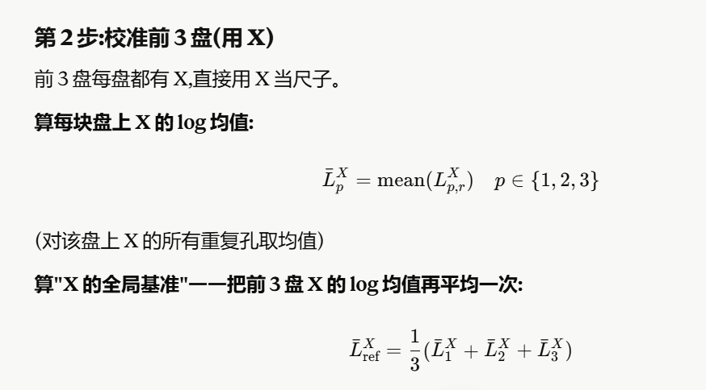
16 | MC3 | 33 | ALC-0315 | 33 | DOPE | 30 | 0 | DMG-PEG2000 | 4 | 66 | 94.95 | 0.3769 | -23.62 | 4 | 22270 | 4.347720217 | R3-R1=-0.900826491 (先把R3的加一个0.9….再加一个0.072.。。） | 4.420149713 | 0.5730572945 | 0.17950464806 |  |  | 13376.666667 | 4.126347905 | R3-R1=-0.900826491 (先把R3的减一个0.175….再减一个0.2959）来用R2后对齐 | 3.8303664375 | 0.65590009051 | 0.25878818771
17 | SM102 | 25 | SM102 | 25 | DSPC | 10 | 38.5 | DMG-PEG2000 | 1.5 | 50 | 123.9 | 0.08625 | -10.23 | 6.27 | 264300 | 5.4220971631 | -1.5467464666 | 5.4945266591 | 1.6474342406 | 0.51604282224 |  |  | 48696.666667 | 4.6874992344 | -0.10154996344 | 4.3915177668 | 1.2170514199 | 0.48019284622
18 | C12-200 | 25 | DOTAP | 25 | DSPC | 10 | 38.5 | DMG-PEG2000 | 1.5 | 50 | 127.3 | 0.2174 | 1.413 | 6.48 | 58993.333333 | 4.770802936 |  | 4.843232432 | 0.99614001351 | 0.31203121269 |  |  | 85843.333333 | 4.9337065731 |  | 4.6377251056 | 1.4632587586 | 0.5773350054
19 | DOTAP | 25 | DOTAP | 25 | DSPC | 10 | 38.5 | DMG-PEG2000 | 1.5 | 50 | 100.1 | 0.3188 | 2.614 | 6.48 | 24513.333333 | 4.3894023708 | -0.25490651498 | 4.4618318668 | 0.61473944828 | 0.19256117908 |  |  | 14966.666667 | 4.1751250863 | 0.4530253421 | 3.8791436187 | 0.70467727178 | 0.27803343333
20 | DOTAP | 33 | DODAP | 33 | DOPE | 30 | 0 | DMG-PEG2000 | 4 | 66 | 113.7 | 0.3836 | -2.679 | 7.02 | 17186.666667 | 4.235191654 | -0.90082649077 | 4.30762115 | 0.46052873142 | 0.14425616539 |  |  | 11099.666667 | 4.0453099367 | 0.17573768933 | 3.7493284692 | 0.57486212221 | 0.22681431051
21 | SM102 | 25 | MC3 | 25 | DSPC | 10 | 38.5 | DMG-PEG2000 | 1.5 | 50 | 926.3 | 0.7385 | -12.42 | 6.54 | 32046.666667 | 4.5057828631 |  | 4.5782123591 | 0.73111994054 | 0.22901624126 |  |  | 55763.333333 | 4.7463487264 | 0.17573768933 | 4.4503672589 | 1.2759009119 | 0.50341216517
22 | DOTAP | 25 | SM102 | 25 | DSPC | 10 | 38.5 | DMG-PEG2000 | 1.5 | 50 | 119.3 | 0.3611 | -0.5131 | 6.5 | 77160 | 4.887392219 |  | 4.959821715 | 1.1127292964 | 0.34855167652 |  |  | 81566.666667 | 4.9115127146 | 0.4717191569 | 4.6155312471 | 1.4410649001 | 0.56857832355
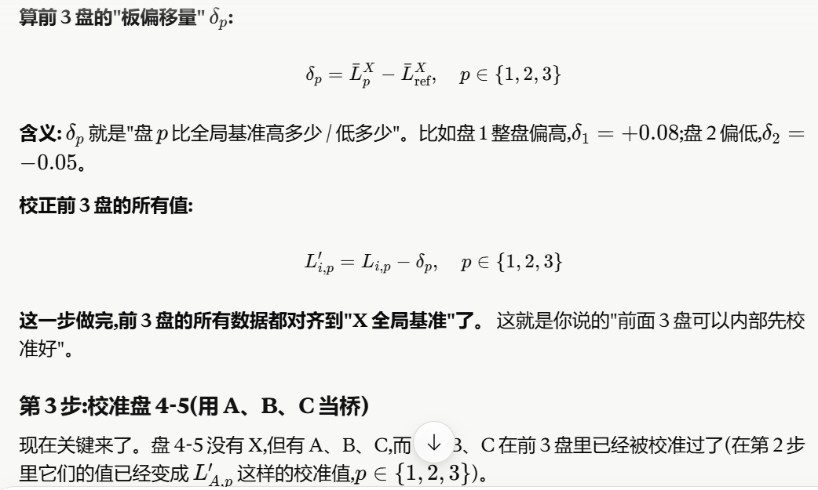
23 | SM102 | 33 | ALC-0315 | 33 | DSPC | 30 | 0 | DMG-PEG2000 | 4 | 66 | 231.1 | 0.6357 | -6.251 | 6.57 | 28173.333333 | 4.4498382337 | 标样在R2后-R1=0.072429496（后面全部拿R2后来对齐） | 4.5222677297 | 0.67517531112 | 0.21149212786 |  |  | 11637.333333 | 4.0658534742 | 标样在R2后-R1=-0.295981468（后面全部拿R2后来对齐） | 3.7698720066 | 0.59540565969 | 0.23491985114
24 | MC3 | 25 | ALC-0315 | 25 | DOPE | 10 | 38.5 | DMG-PEG2000 | 1.5 | 50 | 105.3 | 0.1357 | -3.906 | 5.88 | 75836.666667 | 4.8798792357 | -0.15217535204 | 4.9523087317 | 1.1052163132 | 0.34619830728 |  |  | 10480.666667 | 4.0203889086 | -0.21066089543 | 3.7244074411 | 0.54994109414 | 0.21698161223
25 | ALC-0315 | 33 | SM102 | 33 | DOPE | 30 | 0 | DMG-PEG2000 | 4 | 66 | 107 | 0.1146 | -6.516 |  | 131840 | 5.1200471944 | 0.34231585891 | 5.1924766904 | 1.3453842718 | 0.42142859455 |  |  | 11729 | 4.0692609863 | 0.25130069391 | 3.7732795187 | 0.59881317179 | 0.23626429962
26 | SM102 | 25 | ALC-0315 | 25 | DOPE | 10 | 38.5 | DMG-PEG2000 | 1.5 | 50 | 92.63 | 0.1482 | -2.283 | 6.47 | 143966.66667 | 5.1582619493 | 0.027147980078 | 5.2306914453 | 1.3835990268 | 0.43339899648 |  |  | 24170 | 4.3832766504 | -0.92858420117 | 4.0872951828 | 0.91282883591 | 0.36016052376
27 | C12-200 | 25 | SM102 | 25 | DOPE | 10 | 38.5 | DMG-PEG2000 | 1.5 | 50 | 137.5 | 0.0704 | -7.366 |  | 168500 | 5.2265999052 | 0.072429495649 | 5.2990294012 | 1.4519369827 | 0.45480519938 |  |  | 58060 | 4.7638770315 | -0.29598146756 | 4.4678955639 | 1.293429217 | 0.51032803294
28 | DODAP | 25 | MC3 | 25 | DSPC | 10 | 38.5 | DMG-PEG2000 | 1.5 | 50 | 125.9 | 0.03021 | -2.339 | 5.89 | 85436.666667 | 4.9316442959 |  | 5.0040737919 | 1.1569813734 | 0.36241321109 |  |  | 26463.333333 | 4.4226445472 | -0.29598146756 | 4.1266630797 | 0.95219673273 | 0.37569329593
29 | SM102 | 33 | DOTAP | 33 | DSPC | 30 | 0 | DMG-PEG2000 | 4 | 66 | 128.9 | 0.4777 | 0.258 |  | 92156.666667 | 4.9645267578 |  | 5.0369562538 | 1.1898638353 | 0.37271332385 |  |  | 65960 | 4.819280647 |  | 4.5232991794 | 1.3488328325 | 0.53218776654
30 | C12-200 | 33 | C12-200 | 33 | DSPC | 30 | 0 | DMG-PEG2000 | 4 | 66 | 150.3 | 0.1338 | -7.388 |  | 33153.333333 | 4.5205272002 |  | 4.5929566962 | 0.74586427764 | 0.23363476208 |  |  | 16459 | 4.2164034452 |  | 3.9204219777 | 0.74595563073 | 0.29431998651
31 | SM102 | 33 | DODAP | 33 | DSPC | 30 | 0 | DMG-PEG2000 | 4 | 66 | 112.3 | 0.1572 | -6.067 |  | 87953.333333 | 4.9442523034 |  | 5.0166817994 | 1.1695893808 | 0.36636254734 |  |  | 13491.666667 | 4.1300656027 |  | 3.8340841351 | 0.65961778821 | 0.26025502125
32 | ALC-0315 | 29 | ALC-0315 | 29 | DOPE | 20 | 19.25 | DMG-PEG2000 | 2.75 | 58 | 87.94 | 0.2517 | -5175 |  | 19016.666667 | 4.279134394 |  | 4.35156389 | 0.5044714715 | 0.15802080318 |  |  | 17961 | 4.2543305129 |  | 3.9583490453 | 0.78388269837 | 0.30928427336
33 | C12-200 | 29 | DOTAP | 29 | DOPE | 20 | 19.25 | DMG-PEG2000 | 2.75 | 58 | 120.8 | 0.2295 | -0.3635 | 6.1 | 17163.333333 | 4.2346016371 |  | 4.3070311331 | 0.45993871457 | 0.14407134833 |  |  | 43235.333333 | 4.6358388116 |  | 4.3398573441 | 1.1653909971 | 0.45981000534
34 | DODAP | 25 | SM102 | 25 | DOPE | 10 | 38.5 | DMG-PEG2000 | 1.5 | 50 |  |  | -2.787 |  | 5952 | 3.7746629225 |  | 3.8470924185 | 0 | 0 |  |  | 68083.333333 | 4.8330408105 |  | 4.5370593429 | 1.362592996 | 0.53761689794
35 | SM102 | 33 | SM102 | 33 | DOPE | 30 | 0 | DMG-PEG2000 | 4 | 66 |  |  | -8.93 |  | 29356.666667 | 4.4677067416 | 算R4先加一个R2前比R2后小的值，再加一个0.185.。。 | 4.5401362376 | 0.69304381909 | 0.21708926495 |  |  | 7239 | 3.8596785766 |  | 3.5636971091 | 0.38923076213 | 0.15357266296
36 | C12-200 | 25 | DOTAP | 25 | DOPE | 10 | 38.5 | DMG-PEG2000 | 1.5 | 50 | 114.8 | 0.2499 | -0.07926 | 5.82 | 26783.333333 | 4.4278646264 | -0.66146543441 | 4.5002941224 | 0.65320170384 | 0.20460910817 |  |  | 14096.333333 | 4.1491061609 |  | 3.8531246933 | 0.67865834637 | 0.26776755496
配方编号 | 离子化脂质1 | IL1摩尔百分比 | 离子化脂质2 | IL2摩尔百分比 | 磷脂 | 磷脂摩尔百分比 | 胆固醇摩尔百分比 | PEG类型 | PEG摩尔百分比 | Total_Ionizable_Lipid_Mol_Ratio | Particle_Size (nm) | PDI | Zeta_Potential (mV) |  | DC_Cell_Transfection_Efficiency | #VALUE! | 1.8467826544 |  |  | 0 |  |  | HaCaT_Cell_Transfection_Efficiency
R2-01 | C12-200 | 46.4 | CCK12 | 11.6 | DSPC | 15 | 25.5 | DMG-PEG2000 | 1.5 | 58 | 103.1 | 0.1206 | -0.7759 | 5.241 | 37410 | 4.5729877082 |  | 5.7583049282 | 1.9112125097 | 0.59866881062 |  |  | 506.26666667 | 2.7043793337 |  | 4.3862327354 | 1.2117663884 | 0.47810761445
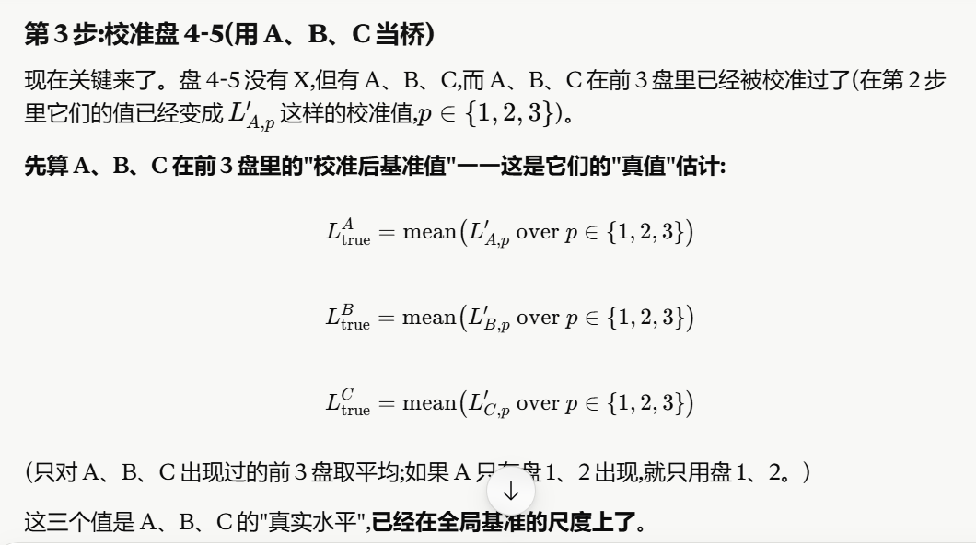
R2-02 | C12-200 | 49.4 | DOTAP | 12.35 | DSPC | 15 | 19.25 | C14-PEG | 4 | 61.75 | 1003 | 0.6533 | 3.879 | 5.505 | 35210 | 4.5466660251 |  | 5.7319832451 | 1.8848908265 | 0.59042379828 |  |  | 512.63333333 | 2.7098068422 |  | 4.3916602438 | 1.2171938969 | 0.48024906114
R2-03 | SM102 | 11.38 | SM102 | 21.12 | DSPC | 25 | 38.5 | DMG-PEG2000 | 4 | 32.5 | 76.35 | 0.1485 | -5.806 | 5.368 | 11430.666667 | 4.0580715603 | -0.18508053496 | 5.2433887803 | 1.3962963618 | 0.43737631371 |  |  | 1346.3 | 3.1291418458 | 1.6190203296 | 4.8109952474 | 1.6365289005 | 0.6456994814
R2-04 | C12-200 | 37.7 | SM102 | 20.3 | DSPC | 15 | 25.5 | C14-PEG | 1.5 | 58 | 115.2 | 0.1285 | -3.232 | 5.627 | 30846.666667 | 4.4892082404 | 算R3先加一个R2前比R2后小的值，再加一个0.185.。。 | 5.6745254604 | 1.8274330419 | 0.57242570366 |  |  | 436.73333333 | 2.6402163404 | 上面是R3-R2前，要先减一个1.619变成R2前，再加一个1.681变成R2后 | 4.322069742 | 1.1476033951 | 0.45279183082
R2-05 | SM102 | 7.7 | DOTAP | 14.3 | DOPE | 50 | 25.5 | DMG-PEG2000 | 2.5 | 22 | 102.7 | 0.2204 | -0.6564 | 6.088 | 133543.33333 | 5.1256222123 | 1.370397755 | 6.3109394323 | 2.4638470138 | 0.77177621737 |  |  | 1081.6666667 | 3.0340934464 | 0.062833072041 | 4.715946848 | 1.5414805011 | 0.60819772865
R2-06 | C12-200 | 12.95 | DOTAP | 24.05 | DOPE | 35 | 25.5 | PEG-Mannose | 2.5 | 37 | 107.8 | 0.1888 | -0.8113 | 5.638 | 63433.333333 | 4.8023175336 |  | 5.9876347536 | 2.140542335 | 0.6705041576 |  |  | 4945.3333333 | 3.6941955699 |  | 5.3760489716 | 2.2015826246 | 0.86864384647
R2-07 | C12-200 | 43.55 | DOTAP | 23.45 | DSPC | 5 | 25.5 | C14-PEG | 2.5 | 67 | 466.2 | 0.5875 | -3.838 | 5.556 | 35156.666667 | 4.5460076913 |  | 5.7313249113 | 1.8842324928 | 0.5902175816 |  |  | 2688.6666667 | 3.429536963 |  | 5.1113903646 | 1.9369240176 | 0.76422166045
R2-08 | C12-200 | 20.75 | DOTAP | 20.75 | DOPE | 25 | 32 | C14-PEG | 1.5 | 41.5 | 610.1 | 0.4988 | -2.652 | 4.325 | 7171.3333333 | 3.8555999096 |  | 5.0409171296 | 1.193824711 | 0.37395402983 |  |  | 634.9 | 2.8027053271 |  | 4.4845587287 | 1.3100923818 | 0.51690255591
R2-09 | SM102 | 12.95 | DOTAP | 24.05 | DOPE | 35 | 25.5 | C14-PEG | 2.5 | 37 | 500.7 | 0.45 | -3.488 | 6.16 | 6408.3333333 | 3.8067450938 |  | 4.9920623138 | 1.1449698952 | 0.35865073188 |  |  | 1236.8666667 | 3.0923228855 |  | 4.7741762871 | 1.5997099402 | 0.63117240305
R2-10 | SM102 | 18.38 | SM102 | 34.12 | DOPE | 5 | 38.5 | C14-PEG | 4 | 52.5 | 1029 | 0.5878 | -2.746 | 4 | 11139 | 4.0468462039 |  | 5.2321634239 | 1.3850710054 | 0.43386007953 |  |  | 1265.2666667 | 3.1021820667 |  | 4.7840354684 | 1.6095691214 | 0.6350623852
R2-11 | C12-200 | 13.38 | CCK12 | 13.38 | DOPE | 50 | 19.25 | DMG-PEG2000 | 4 | 26.75 | 109.1 | 0.2207 | -3.729 | 5.69 | 34260 | 4.5347873586 |  | 5.7201045786 | 1.8730121601 | 0.58670292105 |  |  | 10644.333333 | 4.0271184663 |  | 5.7089718679 | 2.534505521 | 1
R2-12 | CCK12 | 7.7 | SM102 | 14.3 | DSPC | 50 | 25.5 | PEG-Mannose | 2.5 | 22 | 91.73 | 0.2066 | -4.558 | 5.97 | 85050 | 4.9296743179 |  | 6.1149915379 | 2.2678991194 | 0.710397437 |  |  | 1170.6666667 | 3.0684332525 |  | 4.7502866541 | 1.5758203072 | 0.62174664611
R2-13 | CCK12 | 20.3 | CCK12 | 37.7 | DSPC | 15 | 25.5 | PEG-Mannose | 1.5 | 58 | 277.4 | 0.6718 | -0.431 | 5.64 | 5612.3333333 | 3.7491434572 | 标样在R2后-R2前=1.18531722 | 4.9344606772 | 1.0873682586 | 0.34060757703 |  |  | 117.39333333 | 2.0696434344 | 标样在R2后-R2前=1.68185340162316 (以R2后为标准） | 3.751496836 | 0.57703048909 | 0.22766984894
R2-14 | SM102 | 35.2 | SM102 | 8.8 | DOPE | 15 | 38.5 | C14-PEG | 2.5 | 44 | 2184 | 0.709 | -4.589 | 5.32 | 11332.666667 | 4.0543321148 | 1.8235764868 | 5.2396493348 | 1.3925569163 | 0.43620496862 |  |  | 345.43333333 | 2.5383642434 | 1.7125434563 | 4.2202176451 | 1.0457512981 | 0.41260565009
R2-15 | SM102 | 17.15 | DOTAP | 31.85 | DSPC | 15 | 32 | C14-PEG | 4 | 49 | 5045 | 1 | 11.72 | 6.43 | 38670 | 4.5873741721 | 0.54705795282 | 5.7726913921 | 1.9255989735 | 0.60317523111 |  |  | 755.33333333 | 2.8781386508 | 1.651163347 | 4.5599920524 | 1.3855257055 | 0.54666509662
R2-16 | CCK12 | 14.5 | SM102 | 14.5 | DSPC | 35 | 32 | DMG-PEG2000 | 4 | 29 | 202.2 | 0.3761 | -0.9166 | 5.88 | 53926.666667 | 4.7318035764 | 1.1853172198 | 5.9171207964 | 2.0700283778 | 0.64841634336 |  |  | 1016.5333333 | 3.0071216242 | 1.6818534016 | 4.6889750259 | 1.5145086789 | 0.59755588078
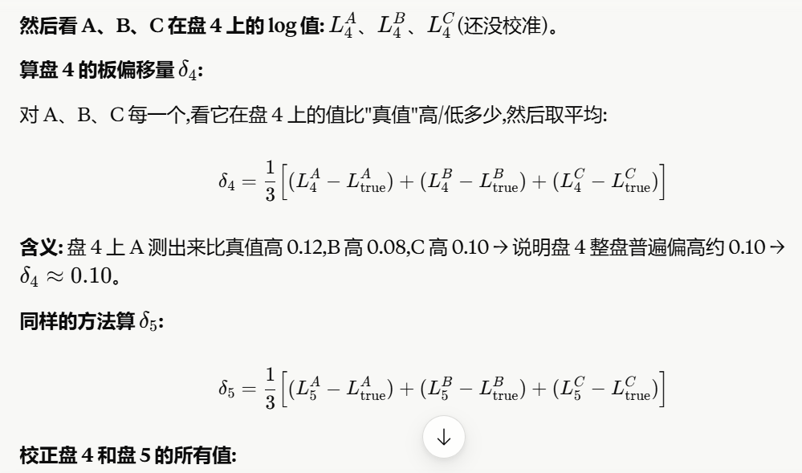
R2-17 | CCK12 | 30.55 | SM102 | 16.45 | DOPE | 25 | 25.5 | DMG-PEG2000 | 2.5 | 47 | 177.8 | 0.1906 | -0.417 | 5.65 | 139866.66667 | 5.1457142248 |  | 6.3310314448 | 2.4839390263 | 0.77806984571 |  |  | 4537.3333333 | 3.6568006857 | 1.6818534016 | 5.3386540873 | 2.1641877404 | 0.85388953486
R2-18 | CCK12 | 24.4 | SM102 | 6.1 | DOPE | 35 | 32 | DMG-PEG2000 | 2.5 | 30.5 | 115.7 | 0.1682 | -1.909 | 5.68 | 119433.33333 | 5.0771255534 |  | 6.2624427734 | 2.4153503549 | 0.75658510861 |  |  | 2325.3333333 | 3.3664852172 |  | 5.0483386188 | 1.8738722719 | 0.73934432433
R2-19 | C12-200 | 8.75 | SM102 | 16.25 | DOPE | 35 | 38.5 | PEG-Mannose | 1.5 | 25 | 171.8 | 0.262 | -0.4595 | 5.74 | 135450 | 5.1317790094 |  | 6.3170962294 | 2.4700038108 | 0.77370477442 |  |  | 3447.5666667 | 3.537512673 |  | 5.2193660746 | 2.0448997277 | 0.80682393895
R2-20 | SM102 | 13.33 | DOTAP | 7.17 | DOPE | 50 | 25.5 | DMG-PEG2000 | 4 | 20.5 | 116.1 | 0.2548 | -1.557 | 5.91 | 49853.333333 | 4.6976942018 |  | 5.8830114218 | 2.0359190032 | 0.63773191208 |  |  | 1084.8666667 | 3.0353763654 |  | 4.717229767 | 1.5427634201 | 0.60870390982
配方编号 | 离子化脂质1 | IL1摩尔百分比 | 离子化脂质2 | IL2摩尔百分比 | 磷脂 | 磷脂摩尔百分比 | 胆固醇摩尔百分比 | PEG类型 | PEG摩尔百分比 | Total_Ionizable_Lipid_Mol_Ratio | Particle_Size (nm) | PDI | Zeta_Potential (mV) |  | DC_Cell_Transfection_Efficiency | #VALUE! |  |  | -3.8470924185 | -1.2050644452 |  |  | HaCaT_Cell_Transfection_Efficiency
R2-21 | C12-200 | 26.98 | CCK12 | 14.52 | DSPC | 25 | 32 | PEG-Mannose | 1.5 | 41.5 | 84.39 | 0.1983 | -1.965 | 6.23 | 87653.333333 | 4.9427684364 |  | 4.9427684364 | 1.0956760178 | 0.34320990214 |  |  | 4062.5 | 3.608793374 |  | 3.608793374 | 0.43432702705 | 0.17136558727
R2-22 | SM102 | 20.75 | ALC-0315 | 20.75 | DOPE | 25 | 32 | PEG-Mannose | 1.5 | 41.5 | 157.1 | 0.1268 | 1.306 |  | 639833.33333 | 5.8060668617 |  | 5.8060668617 | 1.9589744432 | 0.61362977378 |  |  | 16872 | 4.2271665667 |  | 4.2271665667 | 1.0527002198 | 0.41534737687
R2-23 | SM102 | 11.1 | SM102 | 44.4 | DSPC | 15 | 25.5 | C14-PEG | 4 | 55.5 | 1689 | 0.9614 | -1.121 | 6.49 | 84060 | 4.9245893857 |  | 4.9245893857 | 1.0774969671 | 0.33751549056 |  |  | 3176.5 | 3.5019488597 |  | 3.5019488597 | 0.32748251273 | 0.1292096269
R2-24 | SM102 | 18 | ALC-0315 | 4.5 | DOPE | 35 | 38.5 | PEG-Mannose | 4 | 22.5 | 120.3 | 0.1629 | 0.4976 |  | 82593.333333 | 4.9169449939 |  | 4.9169449939 | 1.0698525754 | 0.33512095886 |  |  | 7871.5 | 3.8960574998 |  | 3.8960574998 | 0.72159115285 | 0.28470687749
R2-25 | C12-200 | 21.62 | DOTAP | 21.62 | DOPE | 35 | 19.25 | C14-PEG | 2.5 | 43.25 | 783.5 | 0.3551 | 4.366 | 4.94 | 26766.666667 | 4.4275942906 |  | 4.4275942906 | 0.58050187202 | 0.18183658988 |  |  | 23510 | 4.3712526291 |  | 4.3712526291 | 1.1967862822 | 0.47219714942
R2-26 | C12-200 | 5.85 | DOTAP | 23.4 | DOPE | 50 | 19.25 | PEG-Mannose | 1.5 | 29.25 | 119.9 | 0.2204 | 0.9071 | 4 | 152696.66667 | 5.1838295566 |  | 5.1838295566 | 1.3367371381 | 0.41871996364 |  |  | 253350 | 5.4037209086 |  | 5.4037209086 | 2.2292545617 | 0.87956192766
R2-27 | SM102 | 22.12 | ALC-0315 | 22.12 | DSPC | 35 | 19.25 | DMG-PEG2000 | 1.5 | 44.25 | 102.7 | 0.1561 | 0.4407 | 6.45 | 199200 | 5.2992893341 |  | 5.2992893341 | 1.4521969155 | 0.45488662084 |  |  | 40755 | 4.6101808975 |  | 4.6101808975 | 1.4357145505 | 0.56646732022
R2-28 | C12-200 | 10.67 | SM102 | 19.82 | DOPE | 35 | 32 | DMG-PEG2000 | 2.5 | 30.5 | 91.45 | 0.1619 | -2.042 | 6.18 | 707800 | 5.8499105583 |  | 5.8499105583 | 2.0028181398 | 0.62736338715 |  |  | 184350 | 5.2656431419 |  | 5.2656431419 | 2.091176795 | 0.8250827539
R2-29 | SM102 | 12.85 | DOTAP | 51.4 | DSPC | 15 | 19.25 | C14-PEG | 1.5 | 64.25 | 3602 | 0.9709 | 18.65 | 4 | 92566.666667 | 4.966454625 |  | 4.966454625 | 1.1193622065 | 0.35062937137 |  |  | 12625 | 4.1012313868 |  | 4.1012313868 | 0.92676503985 | 0.36565911267
R2-30 | C12-200 | 33.5 | SM102 | 33.5 | DOPE | 5 | 25.5 | C14-PEG | 2.5 | 67 | 883.6 | 0.5319 | -5.109 | 4.42 | 26700 | 4.4265112614 |  | 4.4265112614 | 0.57941884283 | 0.18149734147 |  |  | 3789.5 | 3.5785819114 |  | 3.5785819114 | 0.40411556446 | 0.15944552542
R2-31 | SM102 | 15.14 | ALC-0315 | 28.11 | DSPC | 35 | 19.25 | C14-PEG | 2.5 | 43.25 | 99.32 | 0.2383 | -2.893 | 6.22 | 34956.666667 | 4.5435300133 |  | 4.5435300133 | 0.69643759475 | 0.21815233231 |  |  | 1570.5 | 3.1960379407 |  | 3.1960379407 | 0.021571593797 | 0.0085111646507
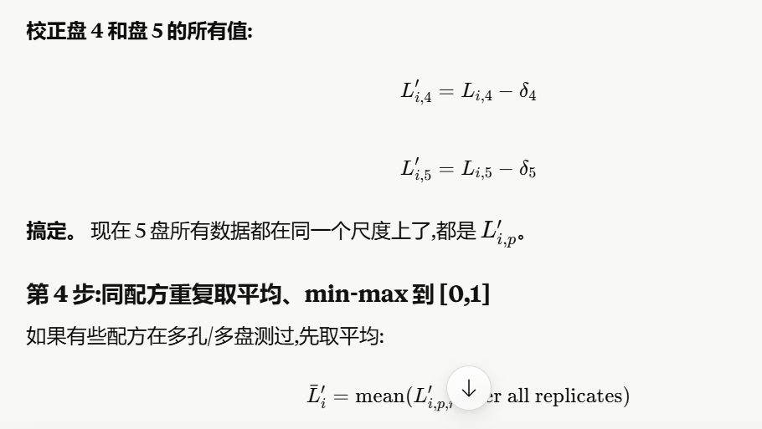
R2-32 | CCK12 | 4.6 | SM102 | 18.4 | DSPC | 50 | 25.5 | PEG-Mannose | 1.5 | 23 | 114.5 | 0.2864 | -1.742 | 6.51 | 114610 | 5.0592225125 |  | 5.0592225125 | 1.212130094 | 0.37968801377 |  |  | 2854.5 | 3.4555300473 |  | 3.4555300473 | 0.28106370041 | 0.11089488584
R2-33 | C12-200 | 18.11 | DOTAP | 33.64 | DSPC | 25 | 19.25 | PEG-Mannose | 4 | 51.75 | 604.6 | 0.7481 | 0.7902 | 7.22 | 54916.666667 | 4.7397041685 |  | 4.7397041685 | 0.89261175001 | 0.27960198671 |  |  | 2200 | 3.3424226808 |  | 3.3424226808 | 0.16795633388 | 0.066267890323
R2-34 | C12-200 | 13.1 | SM102 | 52.4 | DSPC | 5 | 25.5 | PEG-Mannose | 4 | 65.5 | 99.16 | 0.09207 | -2.524 | 6.47 | 268900 | 5.4295908022 |  | 5.4295908022 | 1.5824983837 | 0.4957022939 |  |  | 16509.5 | 4.2177339206 |  | 4.2177339206 | 1.0432675737 | 0.41162568597
R2-35 | CCK12 | 6.1 | SM102 | 24.4 | DOPE | 35 | 32 | PEG-Mannose | 2.5 | 30.5 | 130.5 | 0.1323 | -1.414 | 7.13 | 173000 | 5.2380461031 |  | 5.2380461031 | 1.3909536846 | 0.43570277181 |  |  | 14296.5 | 4.1552297286 |  | 4.1552297286 | 0.98076338167 | 0.38696438953
R2-36 | CCK12 | 18.85 | CCK12 | 10.15 | DOPE | 35 | 32 | PEG-Mannose | 4 | 29 | 141.5 | 0.2929 | -3.222 | 7.03 | 34796.666667 | 4.5415376429 |  | 4.5415376429 | 0.69444522433 | 0.21752824157 |  |  | 63585 | 4.8033546756 |  | 4.8033546756 | 1.6288883287 | 0.6426848611
R2-37 | CCK12 | 38.35 | CCK12 | 20.65 | DSPC | 5 | 32 | C14-PEG | 4 | 59 | 3815 | 1 | -2.235 | 7.13 | 19800 | 4.2966651903 |  | 4.2966651903 | 0.44957277172 | 0.14082431712 |  |  | 8157 | 3.9115304623 |  | 3.9115304623 | 0.73706411537 | 0.29081180107
R2-38 | CCK12 | 14.62 | CCK12 | 14.62 | DSPC | 50 | 19.25 | PEG-Mannose | 1.5 | 29.25 | 163.3 | 0.3434 | -0.565 | 6.22 | 23236.666667 | 4.366173828 |  | 4.366173828 | 0.51908140948 | 0.16259722478 |  |  | 8971 | 3.9528408567 |  | 3.9528408567 | 0.77837450974 | 0.30711099396
R2-39 | CCK12 | 18.11 | SM102 | 33.64 | DSPC | 25 | 19.25 | DMG-PEG2000 | 4 | 51.75 | 82.88 | 0.1859 | -5.282 | 6.65 | 80796.666667 | 4.907393444 |  | 4.907393444 | 1.0603010254 | 0.33212902834 |  |  | 34615 | 4.5392643359 |  | 4.5392643359 | 1.364797989 | 0.53848688737
R2-40 | C12-200 | 36.08 | CCK12 | 19.42 | DOPE | 15 | 25.5 | DMG-PEG2000 | 4 | 55.5 | 91.85 | 0.2439 | -3.93 | 6.48 | 295000 | 5.469822016 |  | 5.469822016 | 1.6227295974 | 0.50830433201 |  |  | 39645 | 4.5981884222 |  | 4.5981884222 | 1.4237220752 | 0.56173563777
Calibration |  |  |  |  |  |  |  |  |  |  |  |  |  |  |  | #NUM! |  |  |  | 0
41 (plate 2-14) | SM102 | 35.2 | SM102 | 8.8 | DOPE | 15 | 38.5 | C14-PEG | 2.5 | 44 |  |  |  |  | 754933.33333 | 5.8779086016 |  |  |  | 0 |  |  | 17820 | 4.2509076997 |  | 4.2509076997 | 1.0764413528 | 0.42471454249
42 (plate 2-15) | SM102 | 17.15 | DOTAP | 31.85 | DSPC | 15 | 32 | C14-PEG | 4 | 49 |  |  |  |  | 136280 | 5.1344321249 |  |  |  | 0 |  |  | 33830 | 4.5293019978 |  | 4.5293019978 | 1.3548356509 | 0.53455620422
43 (plate 1-24) | MC3 | 25 | ALC-0315 | 25 | DOPE | 10 | 38.5 | DMG-PEG2000 | 1.5 | 50 |  |  |  |  | 53420 | 4.7277038837 |  |  |  | 0 |  |  | 6452.5 | 3.8097280132 |  | 3.8097280132 | 0.63526166628 | 0.25064520911
44 (plate 1-25) | ALC-0315 | 33 | SM102 | 33 | DOPE | 30 | 0 | DMG-PEG2000 | 4 | 66 |  |  |  |  | 289976.66667 | 5.4623630533 |  |  |  | 0 |  |  | 20920 | 4.3205616802 |  | 4.3205616802 | 1.1460953333 | 0.45219681858
45 (plate 1-26) | SM102 | 25 | ALC-0315 | 25 | DOPE | 10 | 38.5 | DMG-PEG2000 | 1.5 | 50 |  |  |  |  | 153253.33333 | 5.1854099294 |  |  |  | 0 |  |  | 2849 | 3.4546924492 |  | 3.4546924492 | 0.2802261023 | 0.11056440792
配方编号 | 离子化脂质1 | IL1摩尔百分比 | 离子化脂质2 | IL2摩尔百分比 | 磷脂 | 磷脂摩尔百分比 | 胆固醇摩尔百分比 | PEG类型 | PEG摩尔百分比 | Total_Ionizable_Lipid_Mol_Ratio | Particle_Size (nm) | PDI | Zeta_Potential (mV) |  | DC_Cell_Transfection_Efficiency | #VALUE! |  |  |  | 0 |  |  | Corrected_HaCaT_Transfection_Efficiency
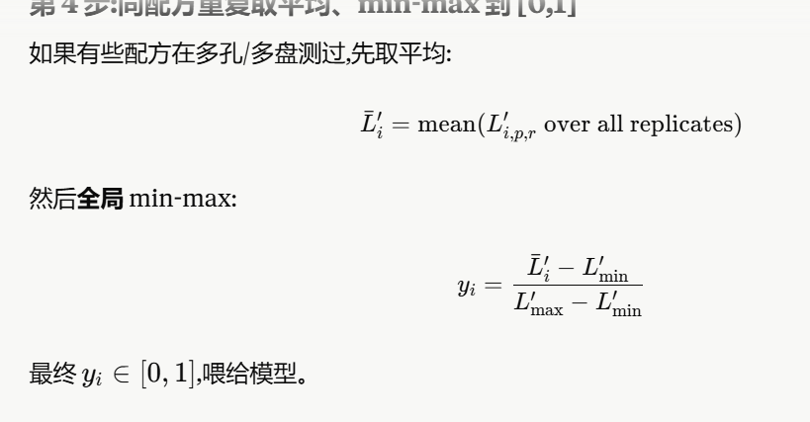
R3-01 | CCK12 | 28.14 | SM102 | 12.06 | DOPE | 25.12 | 32.16 | DMG-PEG2000 | 2.51 | 40.2 | 115 | 0.2079 | -0.7575 | 5.99 | 79390 | 4.8997658019 |  | 6.0054023779 | 2.1583099594 | 0.67606969388 |  |  | 141543.33333 | 5.150889419 |  | 4.8154656237 | 1.6409992768 | 0.6474632875
R3-02 | CCK12 | 24.12 | SM102 | 16.08 | DOPE | 25.12 | 32.16 | DMG-PEG2000 | 2.51 | 40.2 | 102.5 | 0.2595 | -0.2044 | 6.5 | 37580 | 4.5749567758 |  | 5.6805933518 | 1.8335009332 | 0.57432641185 |  |  | 152660 | 5.183725258 |  | 4.8483014628 | 1.6738351158 | 0.66041880832
R3-03 | CCK12 | 20.1 | SM102 | 20.1 | DOPE | 25.13 | 32.16 | DMG-PEG2000 | 2.51 | 40.2 | 143.6 | 0.3521 | 0.3071 | 5.58 | 34300 | 4.53529412 |  | 5.640930696 | 1.7938382775 | 0.56190246904 |  |  | 163200 | 5.2127201544 |  | 4.8772963591 | 1.7028300122 | 0.67185886877
R3-04 | CCK12 | 16.08 | SM102 | 24.12 | DOPE | 25.13 | 32.16 | DMG-PEG2000 | 2.51 | 40.2 | 97.29 | 0.2391 | -2.984 | 6.1 | 43046.666667 | 4.6339395274 |  | 5.7395761034 | 1.8924836848 | 0.5928021876 |  |  | 164700 | 5.2166935992 |  | 4.8812698039 | 1.706803457 | 0.6734266084
R3-05 | CCK12 | 29.17 | SM102 | 12.5 | DOPE | 15.62 | 40.1 | DMG-PEG2000 | 2.6 | 41.67 | 104.5 | 0.2328 | -1.454 | 6.55 | 31040 | 4.4919217126 |  | 5.5975582886 | 1.75046587 | 0.54831648242 |  |  | 136356.66667 | 5.1346763761 |  | 4.7992525808 | 1.6247862338 | 0.64106636202
R3-06 | CCK12 | 25 | SM102 | 16.67 | DOPE | 15.62 | 40.11 | DMG-PEG2000 | 2.6 | 41.67 | 144.8 | 0.2563 | -0.949 | 6.12 | 43946.666667 | 4.6429259396 |  | 5.7485625156 | 1.9014700971 | 0.59561709423 |  |  | 132333.33333 | 5.121669252 |  | 4.7862454568 | 1.6117791098 | 0.63593434558
R3-07 | CCK12 | 24.12 | SM102 | 16.08 | DOPE | 25.12 | 32.16 | PEG-Mannose | 2.51 | 40.2 | 138.7 | 0.1531 | -1.726 | 6.23 | 38133.333333 | 4.5813047697 |  | 5.6869413457 | 1.8398489272 | 0.57631485949 |  |  | 219933.33333 | 5.3422910565 |  | 5.0068672612 | 1.8324009143 | 0.7229816227
R3-08 | CCK12 | 20.1 | SM102 | 20.1 | DOPE | 25.13 | 32.16 | PEG-Mannose | 2.51 | 40.2 | 154.6 | 0.1398 | -2.549 | 6.68 | 62340 | 4.7947667979 |  | 5.9004033739 | 2.0533109554 | 0.64317977268 |  |  | 130233.33333 | 5.1147221565 |  | 4.7792983612 | 1.6048320143 | 0.6331933393
R3-09 | C12-200 | 8 | SM102 | 17 | DOPE | 35 | 38.5 | DMG-PEG2000 | 1.5 | 25 | 133 | 0.1192 | -5.344 | 6.12 | 138876.66667 | 5.142629284 |  | 6.24826586 | 2.4011734414 | 0.75214432775 |  |  | 159333.33333 | 5.2023066419 |  | 4.8668828466 | 1.6924164997 | 0.66775017284
R3-10 | C12-200 | 10.05 | SM102 | 20.1 | DOPE | 35.18 | 32.16 | DMG-PEG2000 | 2.51 | 30.15 | 104.6 | 0.2005 | -3.637 | 6.13 | 114400 | 5.0584260245 |  | 6.1640626005 | 2.3169701819 | 0.72576847213 |  |  | 124956.66667 | 5.0967594315 |  | 4.7613356362 | 1.5868692893 | 0.62610606927
R3-11 | C12-200 | 11.94 | SM102 | 22.89 | DOPE | 34.83 | 27.86 | DMG-PEG2000 | 2.49 | 34.83 | 110.3 | 0.1883 | -3.628 | 5.89 | 156220 | 5.1937366335 |  | 6.2993732095 | 2.4522807909 | 0.76815321006 |  |  | 94650 | 4.9761206183 |  | 4.640696823 | 1.4662304761 | 0.57850750924
R3-12 | C12-200 | 8.79 | SM102 | 18.68 | DOPE | 27.47 | 42.31 | DMG-PEG2000 | 2.75 | 27.47 | 95.06 | 0.1852 | -4.852 | 6.06 | 76203.333333 | 4.8819739689 |  | 5.9876105449 | 2.1405181264 | 0.67049657448 |  |  | 150213.33333 | 5.1767084835 |  | 4.8412846882 | 1.6668183413 | 0.6576503099
R3-13 | C12-200 | 11.63 | SM102 | 23.26 | DOPE | 17.44 | 44.77 | DMG-PEG2000 | 2.91 | 34.88 | 108.9 | 0.2321 | -4.339 | 6.03 | 66923.333333 | 4.8255775643 |  | 5.9312141403 | 2.0841217217 | 0.65283094686 |  |  | 89243.333333 | 4.9505757833 |  | 4.615151988 | 1.4406856411 | 0.56842868526
R3-14 | C12-200 | 8 | SM102 | 17 | DOPE | 35 | 38.5 | PEG-Mannose | 1.5 | 25 | 178.6 | 0.1261 | -2.665 | 6.09 | 19043.333333 | 4.2797429693 |  | 5.3853795453 | 1.5382871268 | 0.48185354582 |  |  | 128066.66667 | 5.1074361058 |  | 4.7720123105 | 1.5975459636 | 0.63031859682
R3-15 | SM102 | 22.11 | ALC0315 | 18.09 | DOPE | 25.13 | 32.16 | DMG-PEG2000 | 2.51 | 40.2 | 115.9 | 0.2577 | -3.885 | 6.42 | 9621 | 3.9832202146 |  | 5.0888567906 | 1.2417643721 | 0.38897066441 |  |  | 98113.333333 | 4.9917280308 |  | 4.6563042355 | 1.4818378886 | 0.58466548064
R3-16 | SM102 | 18.09 | ALC0315 | 22.11 | DOPE | 25.13 | 32.16 | DMG-PEG2000 | 2.51 | 40.2 | 111.6 | 0.3371 | -6.7 | 6.04 | 6085.3333333 | 3.7842843724 |  | 4.8899209484 | 1.0428285298 | 0.3266559383 |  |  | 105983.33333 | 5.0252375746 |  | 4.6898137793 | 1.5153474324 | 0.59788681455
R3-17 | SM102 | 20.83 | ALC0315 | 20.83 | DOPE | 15.62 | 40.11 | DMG-PEG2000 | 2.6 | 41.67 | 107.2 | 0.386 | -3.051 | 5.59 | 6829.6666667 | 3.8343995077 |  | 4.9400360837 | 1.0929436652 | 0.34235401914 |  |  | 74376.666667 | 4.8714367107 |  | 4.5360129154 | 1.3615465685 | 0.5372040255
R3-18 | C12-200 | 8.89 | SM102 | 18.89 | DOPE | 27.78 | 42.78 | PEG-Mannose | 1.67 | 27.78 | 151.6 | 0.1096 | -2.557 | 5.94 | 15823.333333 | 4.199297977 |  | 5.304934553 | 1.4578421345 | 0.45665493099 |  |  | 108733.33333 | 5.036362702 |  | 4.7009389067 | 1.5264725598 | 0.60227628117
R3-19 | SM102 | 25 | ALC0315 | 25 | DOPE | 10 | 38.5 | DMG-PEG2000 | 1.5 | 50 | 96.97 | 0.203 | -3.597 | 6.18 | 17182.666667 | 4.2350905651 |  | 5.3407271411 | 1.4936347226 | 0.46786661261 |  |  | 98033.333333 | 4.9913737698 |  | 4.6559499745 | 1.4814836276 | 0.58452570544
R3-20 | SM102 | 41.67 |  |  | DOPE | 15.62 | 40.1 | C14-PEG | 2.6 | 41.67 | 180.3 | 0.1325 | -1.307 | 6.69 | 41903.333333 | 4.6222485717 |  | 5.7278851477 | 1.8807927291 | 0.58914010895 |  |  | 22273.333333 | 4.3477852166 |  | 4.0123614213 | 0.83789507437 | 0.33059508746
R3-21 | SM102 | 44 |  |  | DOPE | 15 | 38.5 | DMG-PEG2000 | 2.5 | 44 | 95.45 | 0.3167 | -5.648 | 6.45 | 16720 | 4.2232362731 |  | 5.3288728491 | 1.4817804306 | 0.46415337043 |  |  | 51313.333333 | 4.7102302275 |  | 4.3748064322 | 1.2003400853 | 0.47359931764
R3-22 | SM102 | 40.2 |  |  | DOPE | 25.13 | 32.16 | DMG-PEG2000 | 2.51 | 40.2 | 97.4 | 0.2575 | -4.869 | 5.97 | 8455.6666667 | 3.9271478542 |  | 5.0327844302 | 1.1856920116 | 0.3714065405 |  |  | 60730 | 4.7834032811 |  | 4.4479794858 | 1.2735131389 | 0.5024700591
R3-23 | SM102 | 50 |  |  | DOPE | 10 | 38.5 | PEG-Mannose | 1.5 | 50 | 117.6 | 0.1225 | -5.453 | 6.38 | 14790 | 4.169968174 |  | 5.27560475 | 1.4285123315 | 0.44746765423 |  |  | 40873.333333 | 4.6114400571 |  | 4.2760162618 | 1.1015499149 | 0.43462123312
R3-24 | CCK12 | 30.55 | SM102 | 16.45 | DOPE | 25 | 25.5 | DMG-PEG2000 | 2.5 | 47 | 152.6 | 0.214 | -5.001 | 6.38 | 54090 | 4.7331169814 |  | 5.8387535574 | 1.9916611389 | 0.62386856467 |  |  | 72536.666667 | 4.8605575942 |  | 4.525133799 | 1.350667452 | 0.53291162353
R3-25 | C12-200 | 10.67 | SM102 | 19.82 | DOPE | 35 | 32 | DMG-PEG2000 | 2.5 | 30.5 | 105.7 | 0.24 | -3.724 | 6.79 | 53696.666667 | 4.7299473268 | 1.1056365763 | 5.8355839028 | 1.9884914843 | 0.62287570105 |  |  | 167633.33333 | 5.2243603809 |  | 4.8889365856 | 1.7144702387 | 0.67645156995
R3-26 | SM102 | 20.75 | ALC-0315 | 20.75 | DOPE | 25 | 32 | PEG-Mannose | 1.5 | 41.5 | 106.8 | 0.1711 | -4.862 | 6.46 | 23843.333333 | 4.3773669703 | 把R2-3和R1要加的都取了平均 | 5.4830035463 | 1.6359111278 | 0.51243331874 |  |  | 170533.33333 | 5.2318092811 |  | 4.8963854858 | 1.7219191389 | 0.67939056539
R2-03 （R3-27） | SM102 | 11.38 | SM102 | 21.12 | DSPC | 25 | 38.5 | DMG-PEG2000 | 4 | 32.5 | 129.5 | 0.5299 | -4.72 | 6.18 | 7464.3333333 | 3.8729910254 | 应该加1.370397755 | 4.9786276014 | 1.1315351828 | 0.35444243833 |  |  | 55996.666667 | 4.7481621754 | 0.062833072041 | 4.4127383801 | 1.2382720332 | 0.48856553001
R1-17（R3-28） | SM102 | 25 | SM102 | 25 | DSPC | 10 | 38.5 | DMG-PEG2000 | 1.5 | 50 | 105 | 0.3455 | -3.456 | 5.98 | 7505 | 3.8753506966 | 0.973255987 | 4.9809872726 | 1.133894854 | 0.35518158248 |  |  | 38543.333333 | 4.5859492709 | 0.4717191569 | 4.2505254756 | 1.0760591287 | 0.42456373435
R1-19 （R3-29） | DOTAP | 25 | DOTAP | 25 | DSPC | 10 | 38.5 | DMG-PEG2000 | 1.5 | 50 | 212.3 | 0.4295 | 2.763 | 6.84 | 13630 | 4.1344958558 | 应该加 0.973255987 | 5.2401324318 | 1.3930400133 | 0.43635629408 |  |  | 42476.666667 | 4.6281504284 | 0.4717191569 | 4.2927266331 | 1.1182602862 | 0.44121438163
 |  |  |  |  |  |  |  |  |  |  |  |  |  |  |  |  |  |  |  | 0 |  |  |  |  | 0.33542379528
 | Ionizable 1 | IL1 mol% | Ionizable 2 | IL2 mol% | Phospholipid | Phos mol% | Chol mol% | PEG lipid | PEG mol% | IL1:IL2 | Particle_Size (nm) | PDI | Zeta_Potential (mV) | pKa | DC_Cell_Transfection_Efficiency |  |  |  |  | 0 |  |  | HaCaT_Cell_Transfection_Efficiency |  | 0.33542379528
R4-01 | C12-200 | 24.5 | SM102 | 10.5 | DOPE | 33 | 29.5 | DMG-PEG2000 | 2.5 | 70:30 | 109.1 | 0.2263 | -1.9220 | 6.1800 | 36536.666667 | 4.562728923 |  | 7.039529499 | 3.1924370805 | 1.0000000002 |  |  | 17034.666667 | 4.2313336397 |  | 4.2249098447 | 1.0504434978 | 0.41445697755
R4-02 | C12-200 | 21 | SM102 | 14 | DOPE | 33 | 29.5 | DMG-PEG2000 | 2.5 | 60:40 | 266.8 | 0.3024 | -2.1970 | 3.0000 | 6276 | 3.7976829349 |  | 6.2744835109 | 2.4273910924 | 0.76035675302 |  |  | 1786 | 3.2518814546 |  | 3.2454576596 | 0.070991312615 | 0.028009926208
R4-03 | C12-200 | 17.5 | SM102 | 17.5 | DOPE | 33 | 29.5 | DMG-PEG2000 | 2.5 | 50:50 | 138.6 | 0.2557 | -4.2750 | 5.6800 | 13967.333333 | 4.1451134978 |  | 6.6219140738 | 2.7748216553 | 0.86918601236 |  |  | 21306.666667 | 4.3285155116 |  | 4.3220917166 | 1.1476253696 | 0.45280050099
R4-04 | C12-200 | 14 | SM102 | 21 | DOPE | 33 | 29.5 | DMG-PEG2000 | 2.5 | 40:60 | 98.58 | 0.2662 | -4.0820 | 5.8900 | 6820.6666667 | 3.8338268256 |  | 6.3106274016 | 2.4635349831 | 0.77167847677 |  |  | 34076.666667 | 4.5324571061 |  | 4.5260333111 | 1.3515669641 | 0.53326652989
R4-05 | C12-200 | 10.5 | SM102 | 24.5 | DOPE | 33 | 29.5 | DMG-PEG2000 | 2.5 | 30:70 | 135.3 | 0.3925 | -6.4960 | 5.9900 | 5823.3333333 | 3.7651716503 |  | 6.2419722263 | 2.3948798077 | 0.75017290794 |  |  | 70063.333333 | 4.8454907955 |  | 4.8390670005 | 1.6646006535 | 0.6567753117
R4-06 | C12-200 | 12.25 | SM102 | 22.75 | DOPE | 10 | 52.5 | DMG-PEG2000 | 2.5 | 35:65 | 1098 | 1 | -0.2938 | 6.6600 | 5353.6666667 | 3.7286513274 |  | 6.2054519034 | 2.3583594848 | 0.73873327046 |  |  | 9723.3333333 | 3.9878151744 |  | 3.9813913794 | 0.80692503246 | 0.31837572489
R4-07 | C12-200 | 12.25 | SM102 | 22.75 | DOPE | 15 | 47.5 | DMG-PEG2000 | 2.5 | 35:65 | 134.6 | 0.1947 | -3.6900 | 6.1200 | 6277 | 3.7977521287 |  | 6.2745527047 | 2.4274602861 | 0.76037842729 |  |  | 14554.666667 | 4.1630022636 |  | 4.1565784686 | 0.98211212167 | 0.38749654067
R4-08 | C12-200 | 12.25 | SM102 | 22.75 | DOPE | 20 | 42.5 | DMG-PEG2000 | 2.5 | 35:65 | 127.4 | 0.2403 | -4.4230 | 6.7000 | 4770.6666667 | 3.6785790728 |  | 6.1553796488 | 2.3082872303 | 0.72304862162 |  |  | 23316.666667 | 4.3676664641 |  | 4.3612426691 | 1.1867763222 | 0.46824767686
R4-09 | C12-200 | 12.25 | SM102 | 22.75 | DOPE | 40 | 22.5 | DMG-PEG2000 | 2.5 | 35:65 | 129.5 | 0.3571 | -7.7730 |  | 9551.3333333 | 3.9800640018 |  | 6.4568645778 | 2.6097721593 | 0.81748585607 |  |  | 50630 | 4.7044079274 |  | 4.6979841324 | 1.5235177854 | 0.60111046232
R4-10 | C12-200 | 12.25 | SM102 | 22.75 | DOPE | 17.5 | 45 | DMG-PEG2000 | 2.5 | 35:65 | 125 | 0.2852 | -10.6000 |  | 7901.3333333 | 3.8977003838 |  | 6.3745009598 | 2.5274085412 | 0.79168625031 |  |  | 17027 | 4.231138136 |  | 4.224714341 | 1.0502479941 | 0.41437984073
R4-11 | C12-200 | 12.25 | SM102 | 22.75 | DOPE | 24 | 38.5 | DMG-PEG2000 | 2.5 | 35:65 | 328.4 | 0.3445 | -0.7320 |  | 7986.3333333 | 3.9023474328 |  | 6.3791480088 | 2.5320555903 | 0.79314189342 |  |  | 3449.6666667 | 3.5377771322 |  | 3.5313533372 | 0.35688699029 | 0.14081128936
R4-12 | CKK-E12 | 15.75 | SM102 | 19.25 | DOPE | 33 | 29.5 | DMG-PEG2000 | 2.5 | 45:55 | 147.8 | 0.2293 | -1.8250 |  | 3122.6666667 | 3.4945256273 |  | 5.9713262033 | 2.1242337848 | 0.66539566218 |  |  | 54670 | 4.7377490739 |  | 4.7313252789 | 1.556858932 | 0.61426535436
R4-13 | C12-200 | 18.77 | SM102 | 38.86 | DOPE | 7.1 | 31.32 | DMG-PEG2000 | 3.94 | 33:67 | 1.25 | 0.4951 | -0.2674 |  | 10525.333333 | 4.0222358587 |  | 6.4990364347 | 2.6519440161 | 0.83069578184 |  |  | 18456.666667 | 4.2661532688 |  | 4.2597294738 | 1.0852631269 | 0.42819521121
R4-14 | CKK-E12 | 20.69 | SM102 | 8.89 | DSPC | 8.44 | 58.07 | PEG-Mannose | 3.9 | 70:30 | 110.1 | 0.2043 | -4.5610 |  | 1874 | 3.2727695866 |  | 5.7495701626 | 1.902477744 | 0.59593272987 |  |  | 4349.3333333 | 3.6384226933 |  | 3.6319988983 | 0.45753255138 | 0.18052142621
R4-15 | C12-200 | 18.58 | DOTAP | 40.67 | DOPE | 30.8 | 8.77 | C14-PEG | 1.17 | 31:69 | 1033 | 0.5633 | -2.3050 |  | 1512 | 3.1795517912 |  | 5.6563523672 | 1.8092599486 | 0.56673315818 |  |  | 5022.6666667 | 3.7009343568 |  | 3.6945105618 | 0.52004421487 | 0.20518567057
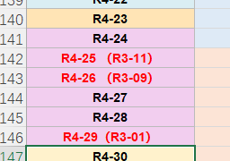
R4-16 | SM102 | 40.38 | SM102 | 18.18 | DSPC | 18.49 | 19.7 | DMG-PEG2000 | 3.25 | 69:31 | 112.3 | 0.4247 | -5.6720 |  | 2429.6666667 | 3.3855466955 |  | 5.8623472715 | 2.015254853 | 0.63125906712 |  |  | 4472.6666667 | 3.6505665328 | -0.0064237952772 | 3.6441427378 | 0.46967639088 | 0.18531283006
R4-17 | ALC-0315 | 38.1 | SM102 | 17.42 | DOPE | 30.63 | 12.84 | PEG-Mannose | 1.02 | 69:31 | 2.952 | 0.7329 | 0.7454 |  | 1805.3333333 | 3.256557401 |  | 5.733357977 | 1.8862655584 | 0.59085441973 |  |  | 4626.6666667 | 3.6652682114 | -0.0064237952772 | 3.6588444164 | 0.48437806946 | 0.19111344026
R4-18 | CKK-E12 | 9.34 | CKK-E12 | 21.67 | DSPC | 29.72 | 36.08 | C14-PEG | 3.18 | 30:70 | 1052 | 0.8292 | -4.3540 |  | 3807.3333333 | 3.5806209011 |  | 6.0574214771 | 2.2103290586 | 0.69236417294 |  |  | 4378.6666667 | 3.6413418851 | 3.2454576596 | 3.6349180901 | 0.46045174312 | 0.1816732058
R4-19 | C12-200 | 17.98 | CKK-E12 | 40.71 | DOPE | 6.25 | 33.47 | DMG-PEG2000 | 1.58 | 31:69 | 1220 | 0.9581 | 0.07064 |  | 25373.333333 | 4.4043775249 |  | 6.8811781009 | 3.0340856824 | 0.95039795815 |  |  | 38790 | 4.5887197796 | 3.1744663469 | 4.5822959846 | 1.4078296377 | 0.55546520851
R4-20 | SM102 | 19.74 | DOTAP | 34.01 | DSPC | 32.73 | 9.7 | PEG-Mannose | 3.82 | 37:63 | 2.285 | 0.439 | 2.5030 |  | 6575.3333333 | 3.8179177741 |  | 6.2947183501 | 2.4476259315 | 0.76669512043 |  |  | 4103.3333333 | 3.6131367982 |  | 3.6067130032 | 0.43224665627 | 0.17054476808
R4-21 | MC3 | 9.68 | SM102 | 20.76 | DOPE | 37.6 | 30.84 | C14-PEG | 1.12 | 32:68 |  |  |  |  |  | #NUM! |  | #NUM! |  | 0
R4-22 | DOTAP | 11.51 | SM102 | 22.46 | DSPC | 6.77 | 56.79 | DMG-PEG2000 | 2.48 | 34:66 | 127.5 | 0.3487 | -1.3100 |  | 4258.3333333 | 3.6292396541 |  | 6.1060402301 | 2.2589478115 | 0.70759352649 |  |  | 30706.666667 | 4.4872326746 |  | 4.4808088796 | 1.3063425326 | 0.51542303689
R4-23 | C12-200 | 30.2 | ALC-0315 | 23.24 | DOPE | 5.28 | 38.95 | PEG-Mannose | 2.34 | 57:43 | 110.8 | 0.2187 | -4.1540 |  | 2317.3333333 | 3.3649885087 |  | 5.8417890847 | 1.9946966662 | 0.6248194142 |  |  | 5892.3333333 | 3.7702873072 |  | 3.7638635122 | 0.58939716526 | 0.23254917395
R4-24 | CKK-E12 | 25.11 | DOTAP | 13.49 | DSPC | 34.73 | 22.71 | C14-PEG | 3.97 | 65:35 | 666.2 | 0.9025 | 8.7990 |  | 10309.666667 | 4.0132446239 | 把这三个和R3一样的孔机械转化，分别对应R3-R4=2.38110814914934 | 6.4900451999 | 2.6429527813 | 0.8278793646 |  |  | 8679.6666667 | 3.9385030469 | 把这三个和R3一样的孔机械转化，分别对应R3-R4=-0.0063792132730122 | 3.9320792519 | 0.75761290494 | 0.29891941394
R4-25 （R3-11） | C12-200 | 12 | SM102 | 22.9 | DOPE | 34.8 | 27.8 | DMG-PEG2000 | 2.5 | 34:66 | 102.2 | 0.242 | -2.9860 |  | 5305 | 3.7246853882 | 2.5235804717 | 6.2014859642 | 2.3543935457 | 0.73749097843 |  |  | 52257.666667 | 4.7181500143 | 0.14873283228 | 4.7117262193 | 1.5372598724 | 0.60653246154
R4-26 （R3-09） | C12-200 | 8 | SM102 | 17 | DOPE | 35 | 38.5 | DMG-PEG2000 | 1.5 | 32:68 | 135.2 | 0.2162 | -3.3390 |  | 5908.3333333 | 3.7714649891 | 2.5279082203 | 6.2482655651 | 2.4011731466 | 0.7521442354 |  |  | 63006.666667 | 4.7993865041 | -0.15868968109 | 4.7929627091 | 1.6184963622 | 0.63858466624
R4-27 | C12-200 | 21.3 | SM102 | 14.2 | DOPE | 16.3 | 47.2 | DMG-PEG2000 | 1 | 60:40 | 149.8 | 0.2078 | -2.3300 |  | 16270 | 4.2113875529 |  | 6.6881881289 | 2.8410957104 | 0.88994571833 |  |  | 15146 | 4.1802979525 |  | 4.1738741575 | 0.99940781055 | 0.39432062873
R4-28 | C12-200 | 21 | SM102 | 14 | DOPE | 50 | 12.5 | DMG-PEG2000 | 2.5 | 60:40 | 116.3 | 0.2523 | -3.8460 |  | 16093.333333 | 4.2066460067 |  | 6.6834465827 | 2.8363541642 | 0.88846047489 |  |  | 3638.3333333 | 3.5609024853 |  | 3.5544786903 | 0.38001234339 | 0.14993549639
R4-29（R3-01） | CKK-E12 | 28.1 | SM102 | 12.1 | DOPE | 25.1 | 32.2 | DMG-PEG2000 | 2.5 | 70:30 | 170.2 | 0.1938 | -2.8710 |  | 8195.3333333 | 3.9135666226 | 2.0918357554 | 6.3903671986 | 2.54327478 | 0.79665619597 |  |  | 66780 | 4.8246464147 | -0.0091807910081 | 4.8182226197 | 1.6437562728 | 0.64855107207
R4-30 | C12-200 | 6 | SM102 | 12 | DOPE | 30 | 49.5 | DMG-PEG2000 | 2.5 | 33:67 | 140 | 0.2053 | -2.8130 |  | 2730.3333333 | 3.4362156712 | 2.3811081491 | 5.9130162472 | 2.0659238287 | 0.64713063309 |  |  | 11805 | 4.0720659914 | -0.006379213273 | 4.0656421964 | 0.89117584948 | 0.3516172453
R2-03 |  |  |  |  |  |  |  |  |  |  | 153.8 | 0.6206 | -4.0770 |  | 2492.3333333 | 3.3966061259 | R2 的差距 1.84678265440802 |  |  | 0 |  |  | 3081 | 3.4886916983 | -0.006379213273 | 3.4822679033 | 0.30780155638 | 0.12144442134
R1-17 |  |  |  |  |  |  |  |  |  |  | 104.8 | 0.2347 | -4.8820 |  | 4857 | 3.6863681035 | R1的差距 1.49120630634595 |  |  | 0 |  |  | 1882.3333333 | 3.274696533 |  | 3.268272738 | 0.09380639108 | 0.037011713056
R1-19 |  |  |  |  |  |  |  |  |  |  | 160.9 | 0.482 | -4.5110 |  | 1939 | 3.2875778091 | 1.4912063063 |  |  | 0 |  |  | 1516.6666667 | 3.1808901419 |  | 3.1744663469 | 0 | 0
 |  |  |  |  |  |  |  |  |  |  |  |  |  |  |  |  | #VALUE! |  |  | 0

 |  |  |  |  |  |  |  |  |  |  |  |  |  |  |  |  |  |  |  | 0
 |  |  |  |  |  |  |  |  |  |  |  |  |  |  |  |  |  |  |  | 0
 | Ionizable 1 | IL1 mol% | Ionizable 2 | IL2 mol% | Phospholipid | Phos mol% | Chol mol% | PEG lipid | PEG mol% | IL1:IL2 | Particle_Size (nm) | PDI | Zeta_Potential (mV) | pKa | DC_Cell_Transfection_Efficiency | 全部取log | 计算标准LNP的过程 | 校准后的log | Li-Min | Normalized for DC2.4 |  |  | HaCaT_Cell_Transfection_Efficiency | 全部取log |  |  |  |  | Mutudc1940_Cell_Transfection_Efficiency | 全部取log |  | THP-1 DC_Cell_Transfection_Efficiency | 全部取log

R5-01 | CKK-E12 | 32.5 | SM102 | 13 | DOPE | 24.5 | 27 | DMG-PEG2000 | 2.75 |  |  |  |  |  | 158900 | 5.2011238972 |  | 6.6262555912 | 2.7791631727 | 0.87054595064 |  |  | 1086400 | 6.0359897569 |  |  |  |  | 68886.666667 | 4.8381351703 |  | 282000 | 5.4502491083
R5-02 | C12-200 | 24 | SM102 | 10.5 | DOPE | 37 | 26 | DMG-PEG2000 | 2.5 |  |  |  |  |  | 346433.33333 | 5.5396196726 |  | 6.9647513666 | 3.117658948 | 0.97657647431 |  |  | 567966.66667 | 5.7543228482 |  |  |  |  | 18796.666667 | 4.2740808399 |  | 157476.66667 | 5.1972162134
R5-03 | MC3 | 46 | DODAP | 10 | DOPE | 22.5 | 18.5 | DMG-PEG2000 | 3 |  |  |  |  |  | 10420 | 4.017867719 |  | 5.442999413 | 1.5959069944 | 0.49990241137 |  |  | 23340 | 4.3681008517 |  |  |  |  | 6799.6666667 | 3.8324876232 |  | 109993.33333 | 5.0413663635
R5-04 | C12-200 | 20.5 | CKK-E12 | 19.5 | DSPC | 42 | 15 | C14-PEG | 3.25 |  |  |  |  |  | 7661.3333333 | 3.8843043583 |  | 5.3094360523 | 1.4623436337 | 0.45806498204 |  |  | 28883.333333 | 4.4606473123 |  |  |  |  | 13607 | 4.1337623848 |  | 16000 | 4.2041199827
R5-05 | CKK-E12 | 21 | SM102 | 8.5 | DSPC | 23.5 | 44 | DMG-PEG2000 | 2.75 |  |  |  |  |  | 9995.6666667 | 3.9998117649 |  | 5.4249434589 | 1.5778510404 | 0.49424655862 |  |  | 85083.333333 | 4.929844496 |  |  |  |  | 23530 | 4.3716219272 |  | 49076.666667 | 4.6908750574
R5-06 | C12-200 | 25 | SM102 | 11 | DOPE | 35 | 26.5 | DMG-PEG2000 | 2.5 |  |  |  |  |  | 152766.66667 | 5.1840286025 |  | 6.6091602965 | 2.762067878 | 0.86519101513 |  |  | 594066.66667 | 5.7738351846 |  |  |  |  | 27523.333333 | 4.4397010299 |  | 18125.333333 | 4.2582860022
R5-07 | C12-200 | 24.5 | SM102 | 10.5 | DOPE | 50 | 12.5 | DMG-PEG2000 | 2.5 |  |  |  |  |  | 324533.33333 | 5.5112593105 |  | 6.9363910045 | 3.089298586 | 0.96769286553 |  |  | 636400 | 5.803730171 |  |  |  |  | 19206.666667 | 4.2834519992 |  | 37483.333333 | 4.5738382051
R5-08 | C12-200 | 28.5 | SM102 | 5 | DOPE | 50 | 14 | DMG-PEG2000 | 2.5 |  |  |  |  |  | 200600 | 5.3023309287 |  | 6.7274626227 | 2.8803702041 | 0.90224807317 |  |  | 269800 | 5.4310419453 |  |  |  |  | 15483.333333 | 4.1898644636 |  | 14455.333333 | 4.1600281108
R5-09 | C12-200 | 24 | SM102 | 11 | DOPE | 36.5 | 26 | DMG-PEG2000 | 2.5 |  |  |  |  |  | 339733.33333 | 5.5311381603 |  | 6.9562698543 | 3.1091774357 | 0.97391972271 |  |  | 791833.33333 | 5.89863378 |  |  |  |  | 34520 | 4.538070787 |  | 68886.666667 | 4.8381351703
R5-10 | C12-200 | 24.5 | SM102 | 11.5 | DOPE | 35 | 26.5 | DMG-PEG2000 | 2.5 |  |  |  |  |  | 107866.66667 | 5.0328872582 |  | 6.4580189522 | 2.6109265337 | 0.81784745267 |  |  | 576800 | 5.7610252517 |  |  |  |  | 25353.333333 | 4.4040350664 |  | 18796.666667 | 4.2740808399
R5-11 | C12-200 | 24 | SM102 | 11 | DOPE | 40 | 22.5 | DMG-PEG2000 | 2.5 |  |  |  |  |  | 458433.33333 | 5.6612761883 |  | 7.0864078823 | 3.2393154637 | 1.0146841997 |  |  | 862300 | 5.9356583861 |  |  |  |  | 9927.6666667 | 3.9968471868 |  | 2848 | 3.454539985
R5-12 | C12-200 | 22 | SM102 | 11.5 | DSPC | 36.5 | 27.5 | DMG-PEG2000 | 2.5 |  |  |  |  |  | 16470 | 4.2166935992 |  | 5.6418252932 | 1.7947328746 | 0.56218269293 |  |  | 88190 | 4.9454193426 |  |  |  |  | 4113.6666667 | 3.6142290976 |  | 1494 | 3.1743505975
R5-13（R4-01） | C12-200 | 24.5 | SM102 | 10.5 | DOPE | 33 | 29.5 | DMG-PEG2000 | 2.5 |  |  |  |  |  | 226733.33333 | 5.3555153729 | 7.039529499 | 6.7806470669 | 2.9335546483 | 0.91890758528 |  |  | 815033.33333 | 5.9111753709 |  |  |  |  | 49076.666667 | 4.6908750574 |  | 12305.333333 | 4.0900933826
R5-14 （R4-26 R3-09） | C12-200 | 8 | SM102 | 17 | DOPE | 35 | 38.5 | DMG-PEG2000 | 1.5 |  |  |  |  |  | 95650 | 4.9806849744 | 6.2482655651 | 6.4058166684 | 2.5587242498 | 0.80149559277 |  |  | 817400 | 5.9124346334 |  |  |  |  | 18125.333333 | 4.2582860022 |  | 15646.666667 | 4.1944218305
R5-15 （R4-25 R3-11） | C12-200 | 12 | SM102 | 22.9 | DOPE | 34.8 | 27.8 | DMG-PEG2000 | 2.5 |  |  |  |  |  | 113020 | 5.053155303 | 6.2014859642 | 6.478286997 | 2.6311945784 | 0.82419622141 |  |  | 826033.33333 | 5.916997573 |  |  |  |  | 37483.333333 | 4.5738382051 |  | 19500 | 4.2900346114
R5-16 （R4-28） | C12-200 | 21 | SM102 | 14 | DOPE | 50 | 12.5 | DMG-PEG2000 | 2.5 |  |  |  |  |  | 121016.66667 | 5.0828451864 | 6.6834465827 | 6.5079768804 | 2.6608844618 | 0.83349628987 |  |  | 696600 | 5.8429834701 |  |  |  |  | 14455.333333 | 4.1600281108 |  | 20713.333333 | 4.3162499942
 |  |  |  |  |  |  |  |  |  |  |  |  |  |  |  |  | 1.6840141262 | 1.4251316936
R5-13 to R5-16 are calibration formulations mapped to R4/R3 anchor formulations as indicated in the original R5 design table. |  |  |  |  |  |  |  |  |  |  |  |  |  |  |  |  | 1.2675805908
 |  |  |  |  |  |  |  |  |  |  |  |  |  |  |  |  | 1.1483306613 |  |  |  |  |  |  |  |  |  |  |  |  |  |  | 5 |  | 7 | 9 | 11 | 13 | 15
 |  |  |  |  |  |  |  |  |  |  |  |  |  |  |  |  | 1.6006013963 |  |  |  |  |  |  |  |  |  |  |  |  |  |  | 49076.666667 |  | 37483.333333 | 68886.666667 | 2848 | 12305.333333 | 19500
 |  |  |  |  |  |  |  |  |  |  |  |  |  |  |  |  |  |  |  |  |  |  |  |  |  |  |  |  |  |  |  | 6 |  | 8 | 10 | 12 | 14 | 16
 |  |  |  |  |  |  |  |  |  |  |  |  |  |  |  |  |  |  |  |  |  |  |  |  |  |  |  |  |  |  |  | 18125.333333 |  | 14455.333333 | 18796.666667 | 1494 | 15646.666667 | 20713.333333

